BUG REPORT
Version of the Application |  | Environmental Details |  |  |  | Identified By:ROSHNI PP
Reported To:Viji |  |  |  |  |  | Date6/10/2024
Bug id | Test Id | Expected Resut | Bug description | Steps to Reproduce | Evidence/screenshot | severity | priority | status
Def_pn_mn_001 | RM_REG_003 | The Edit text field labels should be aligned proprly | All the Edit text fields and labels are not aligned properly | 1.Click on the create new account button 2. verify that all fields and labels are aligned properly | 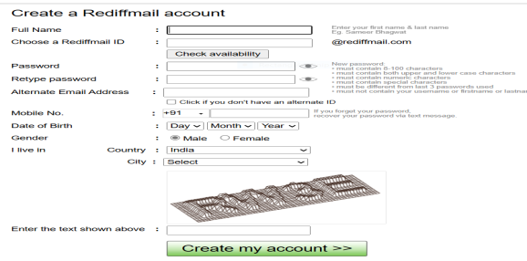 | Cosmetic | low | new
Def_pn_mn_002 | RM_REG_005 | Cancel and Reset buton should be present | Cancel & reset button are not present in the registration form | 1.scroll up and down in the registration form 2.verify cancel & reset button is present anywhere in the form | 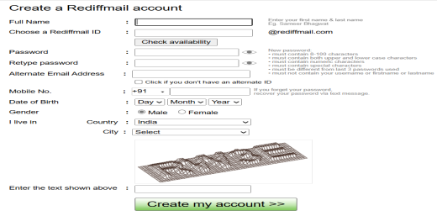 | Major | High | new
Def_pn_mn_003 | RM_REG_013 | Mandatory field should be present in the registration form | Mandatory fields are not marked in the registration field | 1.scroll up and down in the form 2.identify any mandatory field is mentioned or not | 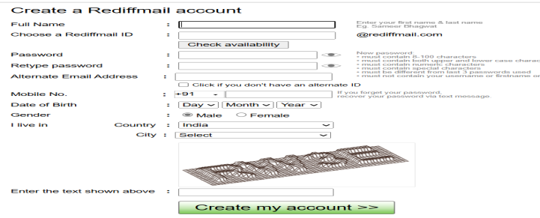 | minor | high | new
Def_pn_mn_004 | RM_REG_025 | The full name field only need to accept 30 characters | The full name field accepts charecters more than 30 | 1.input data into full name 2.enter data into full name field above 30 characters |  | major | high | new
Def_pn_mn_005 | RM_REG_027 | The full name field should not accept more than 2 white spaces | The full name field accepts more than 2 white spaces | 1.enter the full name with more than 2 white spaces |  | major | high | new
Def_pn_mn_006 | RM_REG_035 | mobile no field should only input 10 numbers | The mobile no field accepts more than 10 numbers | 1.click on the mobile no field 2.accomodate maximum number |  | major | high | new
Def_pn_mn_007 | RM_REG_037 | page data should not clear data it need to navigate to error correctly | it cleared he data and didn’t navigate to error | 1.fill data | 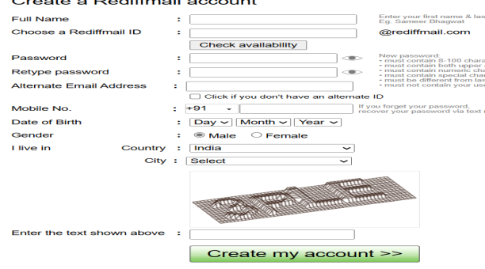 | minor | high | new
Def_pn_mn_008

